PA-5 Chapter 5-FA
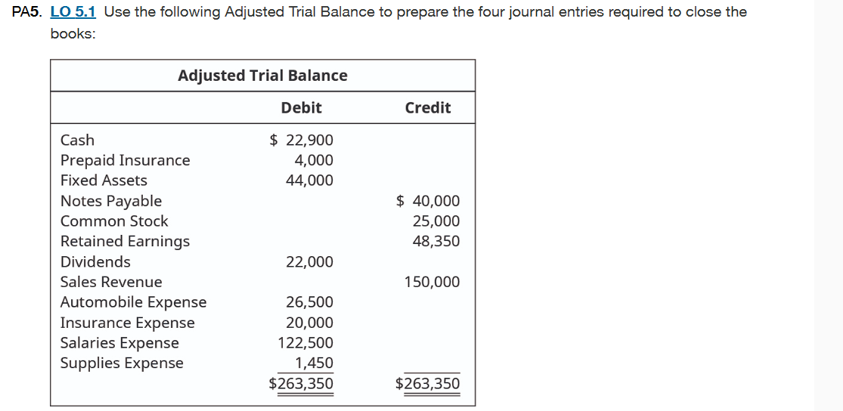

Closing all revenue acounts to income summary
Date | Account | Debit | Credit
12/31/20XX | Sales Revenue | $150,000
 | Income Sumarry |  | $150,000
 | All revenue accounts closed

Closing all expense accounts to income summary
Total Expense = Automobile expense+ Insurance expense+ Salaries expense+supplies Expense
Total Expense= $26500+$20000+$122500+$1450= $170450
Date | Account | Debit | Credit
12/31/20XX | Income Summary | $170,450
 | Automobile Expense |  | $26,500
 | Insurance Expense |  | $20,000
 | Salaries Expense |  | $122,500
 | Supplies Expense |  | $1,450
 | All expense accounts closed

Close income summary to retained earnings
Income Summary balance= $170450-$150000=$20450
Date | Account | Debit | Credit
12/31/20XX | Retained Earnings | $20,450
 | Income Summary |  | $20,450
 | Income Summary account closed

Close dividends to retained earnings
Date | Account | Debit | Credit
12/31/20XX | Retained Earnings | $22,000
 | Dividends |  | $22,000
 | Dividends account closed

PA-9 Chapter-FA
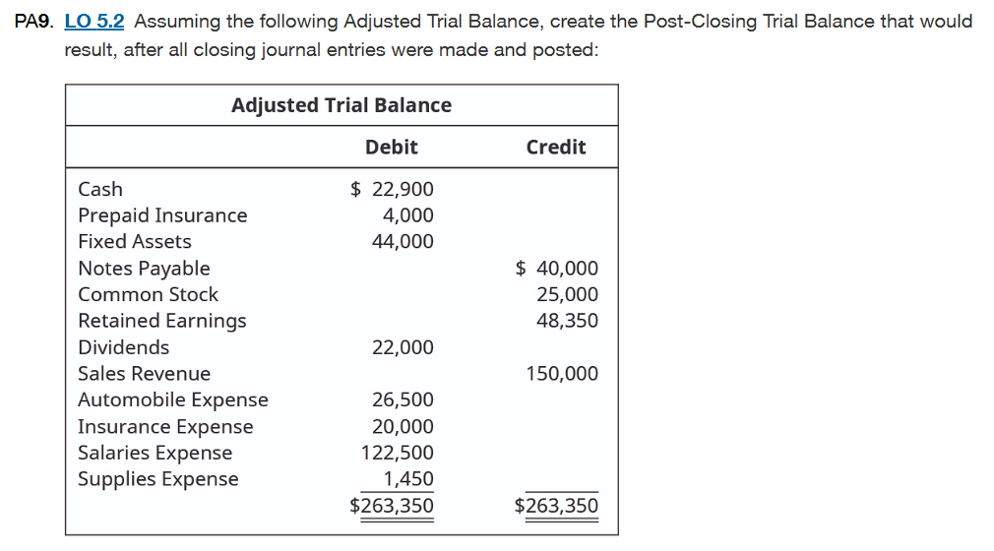

Since this report is after Closing entires, this trial balance is used to confirm that total debits equals to total credits
So we must close all the temporary accounts that is the revenues, expenses and dividends

Closing all expenses
Total expenses = Automobile Expense+ Insurance Expense+Salaries Expense+Supplies Expense |  |  |  | Post Closing Trial Balance
Total expenses = $26,500+$20,000+$122,500+$1450 = $170450
Date | Account | Debit | Credit |  | Debit | Credit
12/31/20XX | Income Summary | $170,450 |  | Cash | $22,900
 | Automobile Expense |  | $26,500 | Prepaid Insurance | $4,000
 | Insurance Expense |  | $20,000 | Fixed Assets | $44,000
 | Salaries Expense |  | $122,500 | Notes Payable |  | $40,000
 | Supplies Expense |  | $1,450 | Common Stock |  | $25,000
 | All expense accounts closed |  |  | Retained Earnings |  | $5,900
 |  |  |  |  | $70,900 | $70,900
Closing all revenue acounts to income summary
Date | Account | Debit | Credit
12/31/20XX | Sales Revenue | $150,000
 | Income Sumarry |  | $150,000
 | All revenue accounts closed

Close income summary to retained earnings
Income Summary balance= $170450-$150000=$20450
Date | Account | Debit | Credit
12/31/20XX | Retained Earnings | $20,450
 | Income Summary |  | $20,450
 | Income Summary account closed

Close dividends to retained earnings
Date | Account | Debit | Credit
12/31/20XX | Retained Earnings | $22,000
 | Dividends |  | $22,000
 | Dividends account closed

Post closing retained earnings is decreased by $20450 and $22000
Hence
Retained Earning = $48350- $20450-$22000
Retained Earning = $5900

PA-17 Chapter-FA
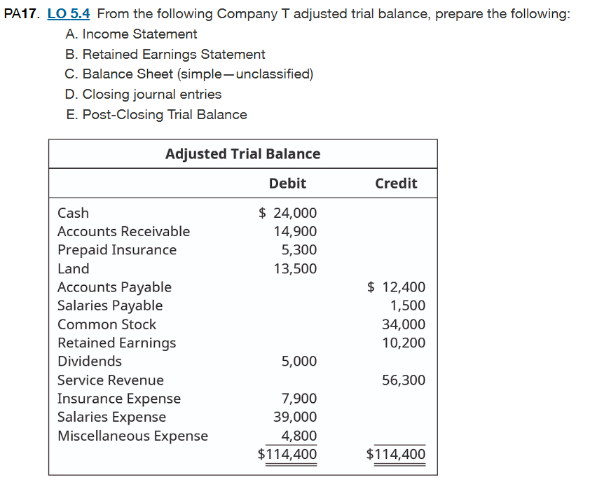

A. Income Statement |  |  |  |  |  |  |  | B. Retained Earning Statement
This report will showcase the net income or net loss including revenues and expenses |  |  |  |  |  |  |  | This report will be affected by net loss and dividends
We need total expense and total revenue for income statement |  |  |  |  |  |  |  | We know the following
Total Expense= Insurance Expense+Salaries Expense+Miscellaneous Expense |  |  |  |  |  |  |  | Net Income = $4600
Total Expense of Company T = $7900+$39000+$4800= $51700 |  |  |  |  |  |  |  | Retained Earning Beg. = $10200
 |  |  |  |  |  |  |  | Dividends= $5000
Total Revenue of Company T = Service Revenue = $56300 |  |  |  |  |  |  |  | Company T
 |  |  |  |  |  |  |  | Statement of Retained Earning
Net Income = Total Revenue - Total Expense |  |  |  |  |  |  |  |  | Debit | Credit
Net Income = $56300- $51700= $4600 |  |  |  |  |  |  |  | Retained Earning Beg. |  | $10,200
 |  |  |  |  |  |  |  | Net Income |  | $4,600
Company T |  |  |  |  |  |  |  | Dividends | $5,000
Income Statement |  |  |  |  |  |  |  | Retained Earning End |  | $9,800
 | Debit | Credit
Revenue |  |  |  |  |  |  |  | The ending Retained earning balance is $9800
Service Revenue |  | $56,400
Expense
Insurance Expense | $7,900
Salaries Expense | $39,000
Miscellaneous Expense | $4,800
Net Income |  | $4,600

C. Balance Sheet |  |  |  |  |  |  |  | D. Closing Journal Entries
This will report assets, liabilities and shareholder's equity |  |  |  |  |  |  |  | 1.Closing all revenue accounts to income summary
 |  |  |  |  |  |  |  | 2.Closing all expense accounts to income summary
Assets |  |  | Liabilities |  |  | Equity |  | 3.Closing the income summary to retained earnings
Cash | $24,000 |  | Accounts Payable |  | $12,400 | Common Stock | $34,000 | 4.Closing Dividends to retaine Earnings
Accounts Receivable | $14,900 |  | Salaries Payable |  | $1,500 | Retained Earnings | $9,800
Prepaid Insurance | $5,300 |  | Total Liabilities |  | $13,900 | Total Equity | $43,000 | 1. Revenue accounts
Land | $13,500 |  |  |  |  |  |  | Account | Debit | Credit
Total Assets | $57,700 |  |  | Liabilities +Equity = $13900 + $43000= $57700 |  |  |  | Service Revenue | $56,300
 |  |  |  |  |  |  |  | Income Summary |  | $56,300
Balance Sheet |  |  |  |  |  |  |  | closing revenue account

Company T
Balance Sheet |  |  |  |  |  |  |  | 2. Expense accounts
Assets |  |  |  |  |  |  |  | Total Expense = Insurance Expense+ Salaries Expense+ Miscellaneous
Cash | $24,000 |  |  |  |  |  |  | Total Expense = $7900+$39000+$4800=$51700
Accounts Receivable | $14,900 |  |  |  |  |  |  | Account | Debit | Credit
Prepaid Insurance | $5,300 |  |  |  |  |  |  | Income Summary | $51,700
Land | $13,500 |  |  |  |  |  |  | Insurance Expense |  | $7,900
Total Assets | $57,700 |  |  |  |  |  |  | Salaries Expense |  | $39,000
Liabilities and Shareholder's Equity |  |  |  |  |  |  |  | Miscellaneous Expense |  | $4,800
Accounts Payable | $12,400 |  |  |  |  |  |  | close all expense accounts
Salaries Payable | $1,500
Common Stock | $34,000 |  |  |  |  |  |  | 3. Income Summary
Retained Earnings | $9,800 |  |  |  |  |  |  | Income Summary = $56300-$51700 =$4600
Total liabilites and shareholder's equity | $57,700 |  |  |  |  |  |  | Account | Debit | Credit
 |  |  |  |  |  |  |  | Income Summary | $4,600
 |  |  |  |  |  |  |  | Retained Earnings |  | $4,600
 |  |  |  |  |  |  |  | closing income summary

E. Post Closing Trial Balance |  |  |  |  |  |  |  | 4. Dividends
Total Expense= $51700 |  |  |  |  |  |  |  | Account | Debit | Credit
Total Income = $4600 |  |  |  |  |  |  |  | Retained Earnings | $5,000
Retained Earning = $10200+$4600-$5000= $9800 |  |  |  |  |  |  |  | Dividends |  | $5,000
 |  |  |  |  |  |  |  | closing Dividends
Company T
Post-Closing Trial Balance
 | Debit | Credit
Cash | $24,000
Account Receivable | $14,900
Prepaid Insurance | $5,300
Land | $13,500
Account Payable |  | $12,400
Salaries Payable |  | $1,500
Common Stock |  | $34,000
Retained earning |  | $9,800
 | $57,700 | $57,700

